Q8
8
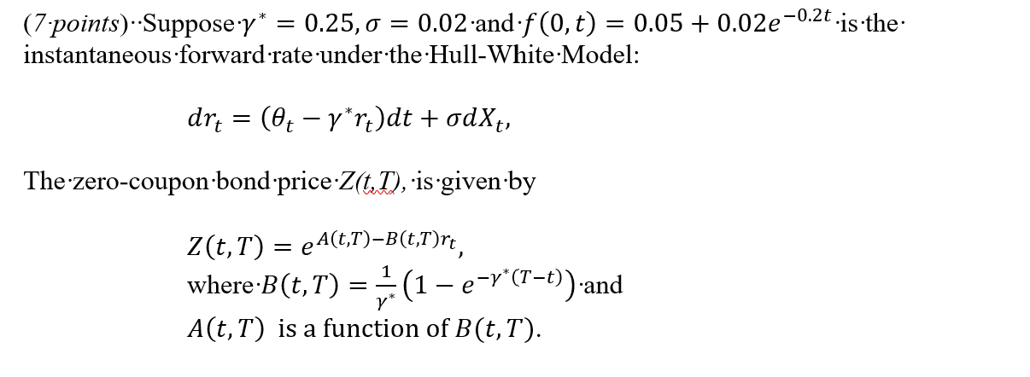

 | (a) (2 points) Calculate the price of a 3-month European call option on a zero-coupon bond that matures in 10 years
 | with a face value of $100 and a strike price of $55

 | Fill in your final answers here:
 | Price of call option

 | Show your work here:

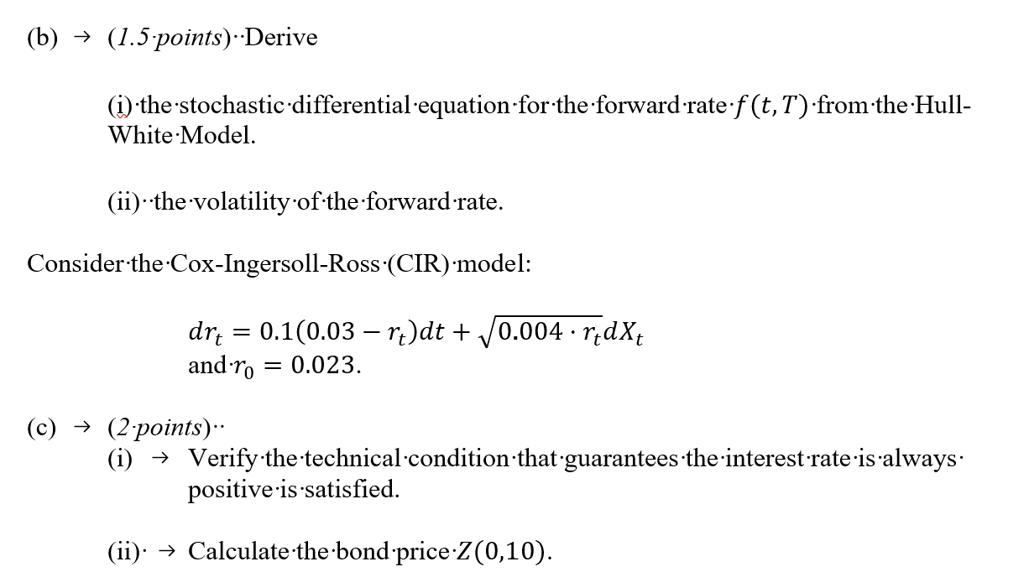

 | Fill in your final answers here:
 | Bond price

 | Show your work here:

Q10
10
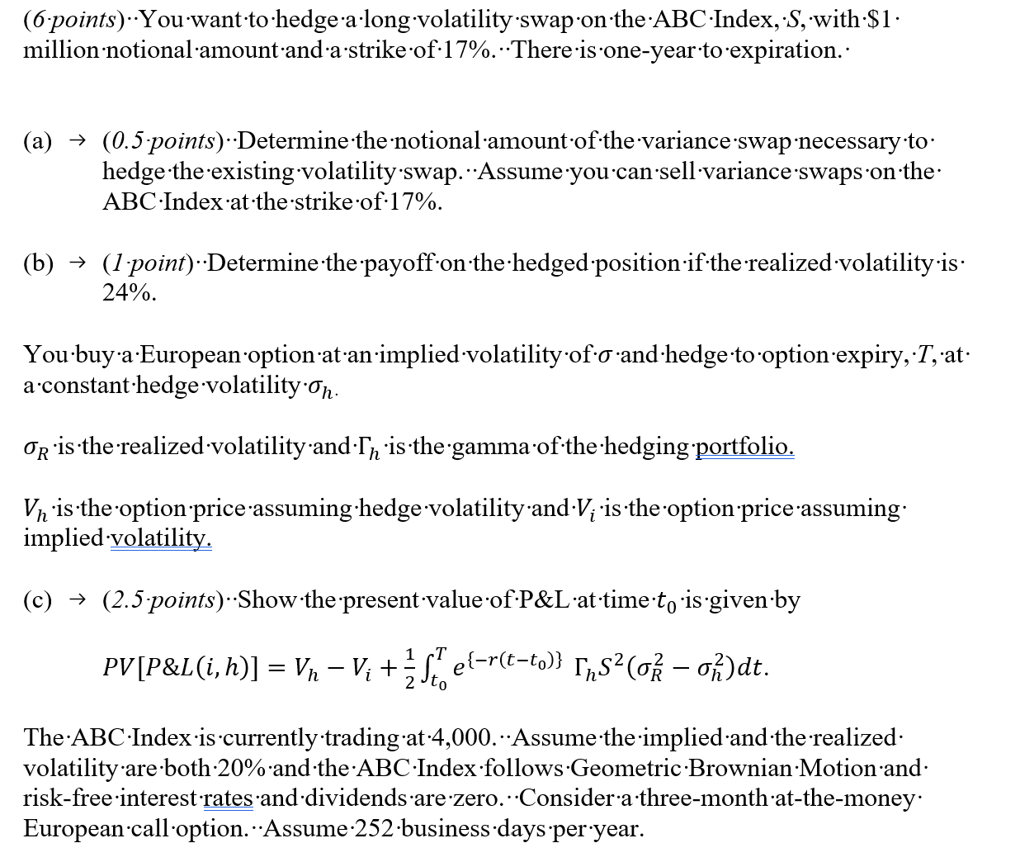

 | (d) (1 point) Calculate the standard deviation of the hedging error when rebalancing daily.

 | Type your answer here:
 | standard deviation of hedging error

 | Show your work here:

 | (e) (1 point) Calculate the price of the call option assuming transaction costs of 1 basis point and daily rebalancing.

 | Type your answer here:
 | price of call option

 | Show your work here:

Q11
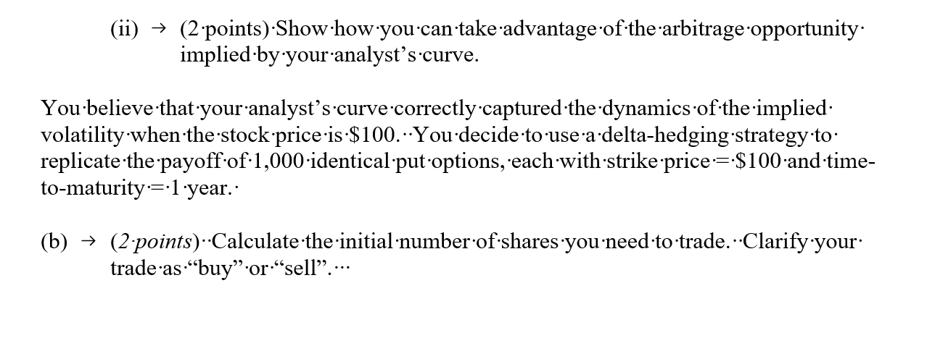
11
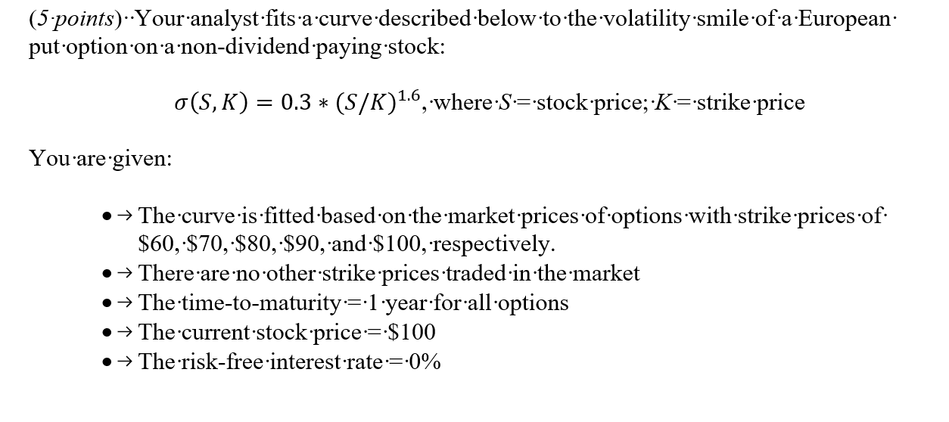

 | (a)

 | (i) | (1 point) Identify an arbitrage opportunity that is implied by your analyst’s curve.

 | Type your answer here:

 | Show your work here:

 | Risk-free rate r | 0% | 0% | 0% | 0% | 0%
 | Maturity T (year) | 1 | 1 | 1 | 1 | 1
 | Stock price S | 100 | 100 | 100 | 100 | 100
 | Strike price K | 60 | 70 | 80 | 90 | 100
 | σ
 | d1
 | d2
 | N(-d1)
 | N(-d2)
 | Put

Q15
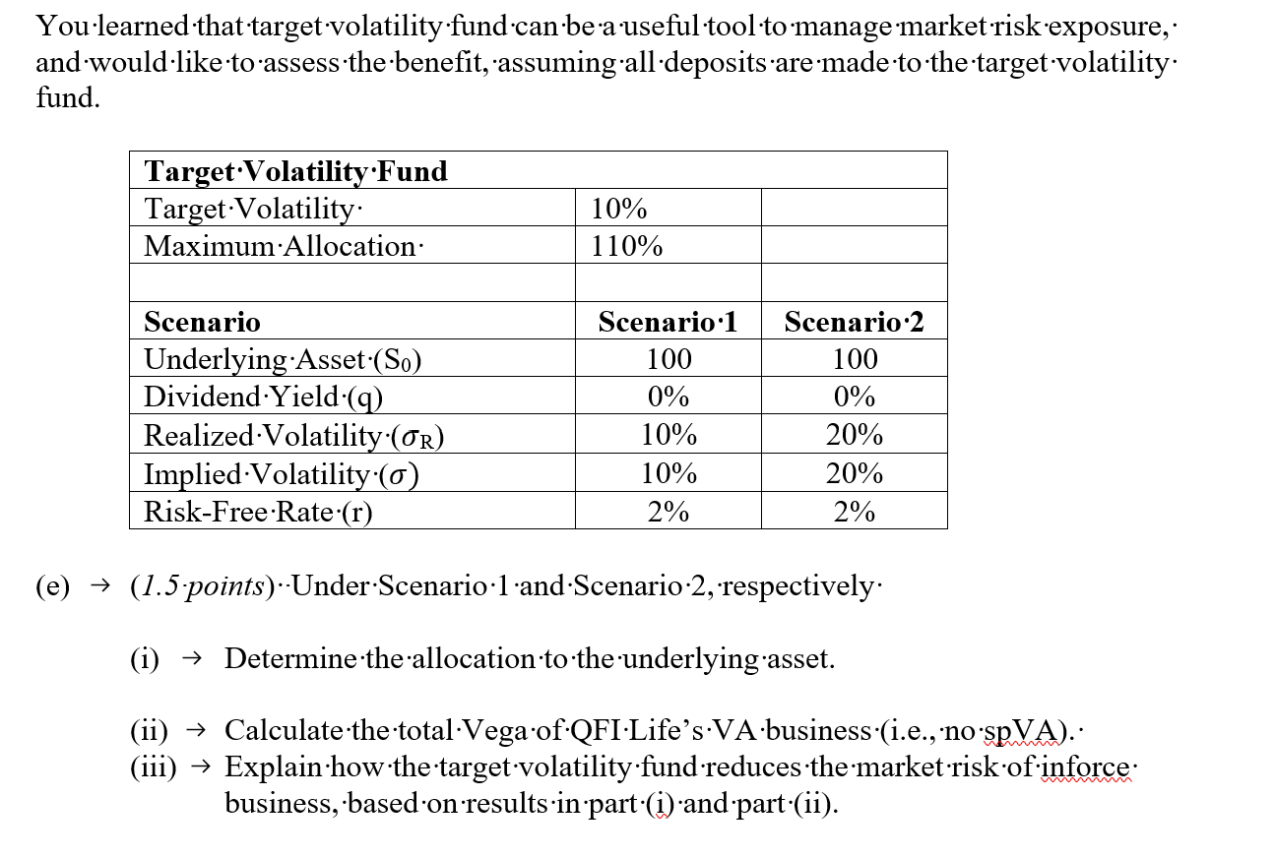
15
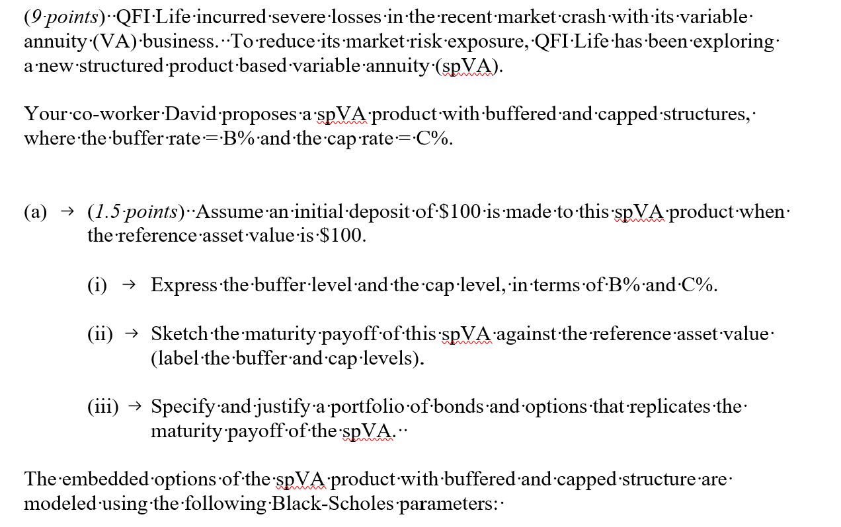

 | spVA with buffered and capped structures
 | Underlying Asset (S0) | 100
 | Dividend Yield (q) | 0%
 | Implied Volatility (σ) | 10%
 | Term (t) | 1 | year
 | Risk-Free Rate (r) | 2%
 | Buffer Rate% (B) | 10%

 | (b) (2 points) Calculate and determine whether the fair cap level is 5.5%, 7.5% or 10.5% for this spVA product to address the market risk.

 | Fill in your final answers here:
 |  | 5.50% | 7.50% | 10.50%
 | fair cap @

 | Show your work here:

 | QFI Life has $100M of inforce VA GMMB business that is currently at-the-money and with remaining time-to-maturity of 1 year.
 | The market risk of the VA business is modeled as a put option with the parameters in the table below.

 | VA (Inforce Business)
 | Underlying Asset – Price at Issue | 100
 | Underlying Asset – Current Price (S0) | 100
 | Dividend Yield (q) | 0%
 | Implied Volatility (σ) | 10%
 | Term (t) | 1 | year
 | Continuous Risk-Free Rate (r) | 2%
 | Maturity Benefit | Max (Fund Value, 90% Deposit)

 | QFI Life expects sales of $50M of new spVA described in part (b)

 | (c) (1 point) List four key metrics for evaluating risk management strategy, together with their objectives.

 | (d) (3 points)

 | (i) Explain how the spVA sales could be used to mitigate the market risk of inforce business, in terms of the embedded option and pricing control through the cap.

 | (ii) Calculate the total Vega for QFI Life’s business, including the $50M of new spVA sales .

 | Type your answer here:
 | Vega

 | Show your work here:

 | (iii) Calculate the change in Vega, assuming implied volatility suddenly increases to 20%.

 | Type your answer here:
 | Vega

 | Show your work here:

 | (iv) Assess the impact of the spVA business on the change in Vega, based on results in part (ii) and part (iii).

