Q4
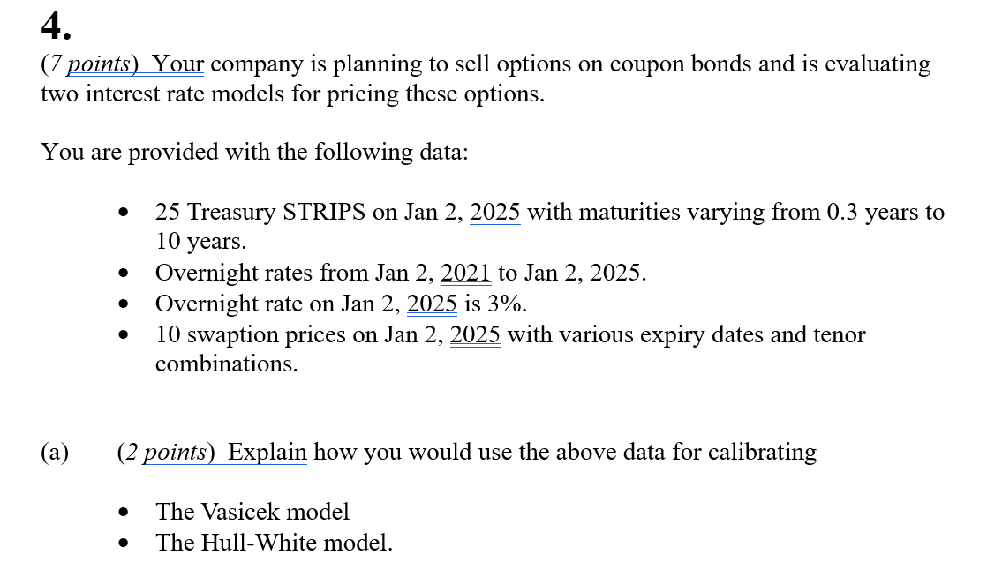
Q4

 | Fill in your final answers here:

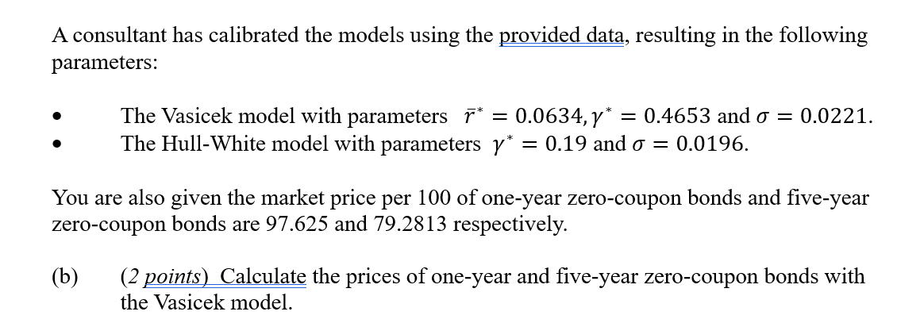

 | Fill in your final answers here:
 | Price of one-year bond
 | Price of five-year bond

 | Show your work here, for part b):
 | Parameter | Value

 | r0 | 0.03
 | T | A(0;T) | B(0;T) | Z(0;r0;T)
 | 1 | #DIV/0!
 | 5 | #DIV/0!

 | Fill in your final answers here:
 | The option price

 | Show your work here, for part c):

 | Term | Formula/value

 | TO | 1
 | TB | 5
 | K | 0.8
 | SZ(TO;TB) | #DIV/0!
 | Z(0,r0;TO)
 | Z(0,r0;TB)
 | d1
 | d2
 | Call option | 0

 | Fill in your final answers here:
 | The option price

 | Show your work here, for part d):

 | Term | Formula/value

 | TO | 1
 | TB | 5
 | K | 0.8
 | SZ(TO;TB) | #DIV/0!
 | Z(0,r0;TO)
 | Z(0,r0;TB)
 | d1
 | d2
 | Call option | 0

 | Fill in your final answers here:

Q5
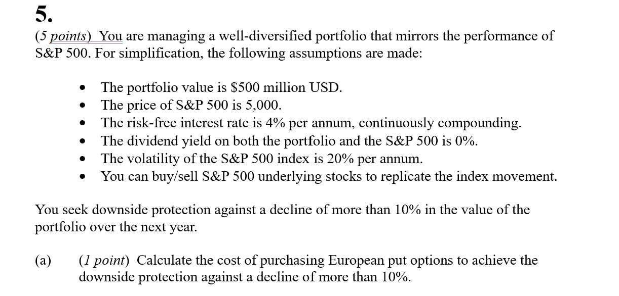
Q5

 | Fill in your final answers here:
 | The cost of purchasing European put options

 | Show your work here, for part a):
 | Assumptions
 | Portfolio Value | 500,000,000
 | buffer% | 0.1
 | S&P 500 index (S0) | 5,000
 | Strike (K)
 | Dividend yield (d) | 0
 | Risk-free rate (r) | 0.04
 | Volatility | 0.2
 | Expiry (TTM) | 1

 | d1
 | d2
 | N(-d1)
 | N(-d2)

 | Put option
 | Cost of purchasing put option

